Sheet1
...
-0.0017010153061 | 0.0012479687346 | -0.018974029107 | 0.028052554515 | -0.0028662995237 | AMZN | 0.0005005949423 | 0.00058552357111 | 0.00032805071094 | 0.00048186533479 | 0.00040077546251 | 0.00026311233457 | 0.00049770138009 | 0.0004080046119 | 0.00048204692777 | 0.00021423143662
0.00075805222741 | -0.010493282506 | 0.082885938064 | -0.017204154498 | -0.010136620906 | BA | 0.00078374559781 | 0.00032805071094 | 0.003062975455 | 0.00064945598616 | 0.00069221103243 | 0.0009297024288 | 0.00073671134681 | 0.0012172389446 | 0.00035505492689 | 0.00020334783701
0.0083986551105 | 0.014469303806 | -0.01416691439 | 0.023442082926 | -0.0042661009197 | FB | 0.00065969681692 | 0.00048186533479 | 0.00064945598616 | 0.00084387041919 | 0.00056765585054 | 0.00038213026139 | 0.00062042278255 | 0.00059852939461 | 0.00049446853058 | 0.00022920583692
0.010600122317 | 0.011081896613 | -0.0048698155957 | -0.012629967994 | 0.0094489825807 | GOOG | 0.00054073792778 | 0.00040077546251 | 0.00069221103243 | 0.00056765585054 | 0.00058684438532 | 0.00041552469075 | 0.00057538042096 | 0.00059411260214 | 0.00037900994372 | 0.0002304932417
-0.00027879116335 | -0.0059713849254 | -0.012442461406 | -0.021850993917 | -0.0092139010326 | IBM | 0.00044326724062 | 0.00026311233457 | 0.0009297024288 | 0.00038213026139 | 0.00041552469075 | 0.00067217028626 | 0.00046303714559 | 0.00065048088001 | 0.00023516384903 | 0.00022856748798
-0.00057149032098 | 0.010619087323 | 0.012457832953 | 0.027592535214 | -0.0051340724813 | MSFT | 0.00068924079582 | 0.00049770138009 | 0.00073671134681 | 0.00062042278255 | 0.00057538042096 | 0.00046303714559 | 0.0007698596299 | 0.00069025243041 | 0.00049073904145 | 0.00032316744815
-0.0056395070866 | -0.0084017187371 | 5.4570456329E-06 | -0.0026408069376 | 0.001756971766 | MU | 0.00063362336333 | 0.0004080046119 | 0.0012172389446 | 0.00059852939461 | 0.00059411260214 | 0.00065048088001 | 0.00069025243041 | 0.001340717718 | 0.00042396291128 | 0.0002770873117
0.0059599053306 | 0.0051219113024 | -0.024962194176 | -0.00084056253366 | -0.0086052625362 | NFLX | 0.00048938031697 | 0.00048204692777 | 0.00035505492689 | 0.00049446853058 | 0.00037900994372 | 0.00023516384903 | 0.00049073904145 | 0.00042396291128 | 0.00084905772332 | 0.00025723813484
0.0099923387705 | 0.016823887246 | 0.025315477571 | -0.0032899949918 | 0.0045352219692 | WMT | 0.00031323214624 | 0.00021423143662 | 0.00020334783701 | 0.00022920583692 | 0.0002304932417 | 0.00022856748798 | 0.00032316744815 | 0.0002770873117 | 0.00025723813484 | 0.00038675185229
0.0024760080232 | 0.0042475799165 | -0.0015590554543 | 0.0011341593692 | -0.0089719921314
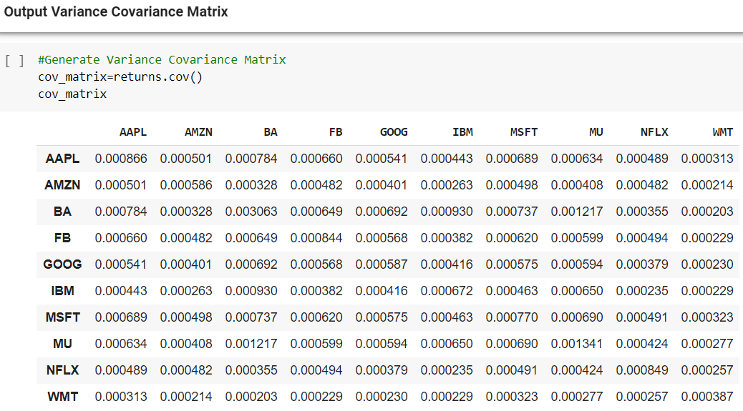
0.0062856757372 | -0.004930806143 | 0.021252924398 | -0.006565272512 | 0.0046366411008
0.033439938942 | -0.0061499724549 | 0.0021735182794 | -0.038435779565 | 0.0035737963034
-0.0070268742049 | 0.0048032466656 | -0.00070531771616 | 0.067930361942 | -0.0033294604687
-0.016213734224 | -0.011461477269 | -0.025837336003 | 0.0081696432317 | -0.013340606285
-0.013810880972 | -0.018198313134 | -0.04274863215 | -0.031502594368 | 0.012115247686
0.006773604695 | 0.018072836611 | 0.017737218425 | 0.014353121943 | 0.0055382125542
-0.013331063142 | 0.01413889166 | -0.02214889732 | -0.017460682395 | -0.0069364122288
-0.0066172187544 | 0.026483475163 | -0.0061066725934 | 0.011296306709 | 0.0051077772982
0.049722866132 | -0.016202323366 | -0.03710212617 | -0.0096117219838 | -0.018918876203
0.017604829276 | 0.022752865501 | 0.011700791922 | 0.034765826505 | -0.0027518825337
0.019317080449 | 0.031052881967 | 0.030269145859 | 0.028328866077 | 0.0078846227732
0.047371855649 | -0.0025556560297 | 0.021412757743 | -0.0001749362423 | 0.012442963199
0.0028339551945 | 0.019188049194 | 0.031878686479 | -0.0093470377718 | -0.0051181217279
-0.011126784745 | 8.1385804728E-05 | -0.032367400953 | -0.002452631546 | 0.00037432527136
0.0067138072135 | 0.024486946197 | 0.0066680278351 | 0.0096939072192 | -0.011186850421
-0.0060836541349 | -0.024167666796 | -0.0026086831755 | 0.0050739215095 | 0.00047218869158
0.011940046298 | 0.00012914898646 | 0.033463394338 | 0.014809092697 | 0.0030633795192
-0.0063726334552 | -0.006762103605 | -0.00020041914102 | 0.0016891653701 | 0.01280272387
-0.023585397042 | 0.0075538306766 | -0.015300603646 | -0.0045872804685 | 0.002995904001
0.0027379351806 | 0.008758373101 | -0.014115651587 | 0.017252932797 | 0.013823120455
-0.0015026553593 | 0.001660905391 | 0.036842313492 | -0.0060706006248 | -0.017263156169
0.0024706674919 | -0.016722611933 | -0.017852712489 | -0.0024540311279 | -0.00074348327542
-0.0090806681962 | -0.033456654702 | -0.035873847358 | -0.017443821843 | 0.0067052764345
-0.022933598237 | -0.045406123187 | -0.036573133674 | -0.032334045136 | -0.02007138946
-0.032677572802 | -0.017973070219 | -0.055562283654 | -0.025591266244 | -0.017559913627
-0.013840631951 | 0.011083689146 | 0.0039567216734 | 0.049853316333 | -0.0061753822771
-0.048592144177 | -0.074397915191 | -0.035989857204 | -0.022017184861 | -0.030985159804
...

